Sheet1
ID | Group | Category | Epic | Parent Task | Task Name | User Story | Description | Acceptance Criteria | Timestamp | Mockups | Notes | Responsible
CUBE-PH4-D2-001 | Roll-Offs | Functional | Core Flow | Service Tickets | Create Roll-Off Delivery Ticket | As an Account Manager (AM), I want to create a roll-off delivery ticket with the required ticket code, dispatching information, and drop/start date, so that the roll-off can be delivered before the haul occurs. | Roll-offs are on-call services where the roll-off is delivered before the actual haul occurs. The delivery ticket captures the initial setup information, including the ticket code, dispatching details, and the drop/start date used to place the roll-off on site. | 1. User can create a delivery ticket for a roll-off, 2. User can enter the required ticket code, 3. User can enter dispatching information, 4. User can enter a drop/start date for the roll-off delivery, 5. The delivery ticket can be saved before the related haul occurs. | Day 2, Part 1 [10:23 – 11:23] | 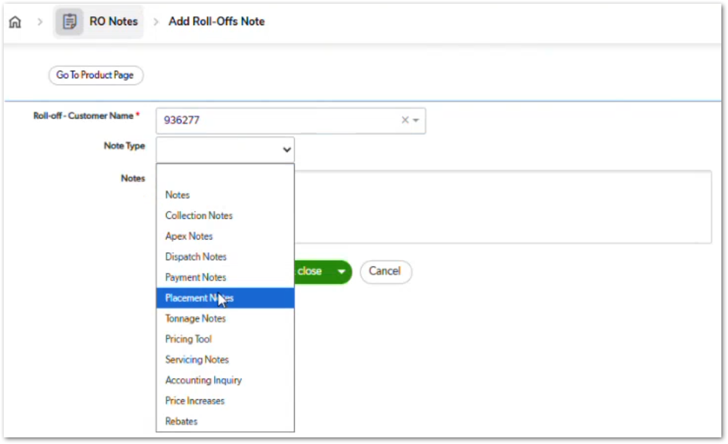 | Delivery/drop setup is the first part of the roll-off ticket chain. Rental, tonnage, weight ticket, haul completion, and removal behavior are handled in later roll-off stories. | TBD
CUBE-PH4-D2-002 | Roll-Offs | Functional | Core Flow | Service Tickets | Create Incomplete Roll-Off Haul Ticket | As an Account Manager (AM), I want to create a roll-off haul ticket that can remain open until the haul physically occurs, so that the system can track pending on-call service activity. | After the roll-off is delivered, the haul ticket can remain open because the dumpster may still be on site and the haul may not have physically occurred yet. The ticket acts as a placeholder for the expected haul activity until the required completion details are available. | 1. User can create a haul ticket after the delivery ticket, 2. Haul ticket can remain open while the dumpster is still on site, 3. System supports dispatch-related information for the pending haul, 4. System does not treat the haul ticket as complete until required haul details are entered, 5. Ticket can be updated later when the haul activity occurs. | Day 2, Part 1 [11:23 – 12:36] |  | Roll-off haul tickets differ from most standard service tickets because they may remain open for an extended period. The haul ticket is not necessarily completed at the time it is created. | TBD
CUBE-PH4-D2-003 | Roll-Offs | Functional | Core Flow | Line Items | Track Rental and Tonnage on Roll-Off Hauls | As an Account Manager (AM), I want roll-off haul tickets to track rental duration and tonnage usage, so that additional rental or tonnage charges can be billed when applicable. | Roll-off haul tickets can require additional billing when the dumpster remains on site longer than the included rental period or when the final tonnage exceeds the included tonnage. The haul ticket must support rental and tonnage tracking so that additional billable line items can be added when needed. | 1. System tracks the rental period included for the roll-off haul, 2. System identifies when additional rental is required, 3. System tracks the tonnage included for the roll-off haul, 4. System supports final tonnage entry after the haul occurs, 5. System identifies when additional tonnage is required, 6. Additional rental and tonnage can be represented as billable line items. | Day 2, Part 1 [12:36 – 14:52] | 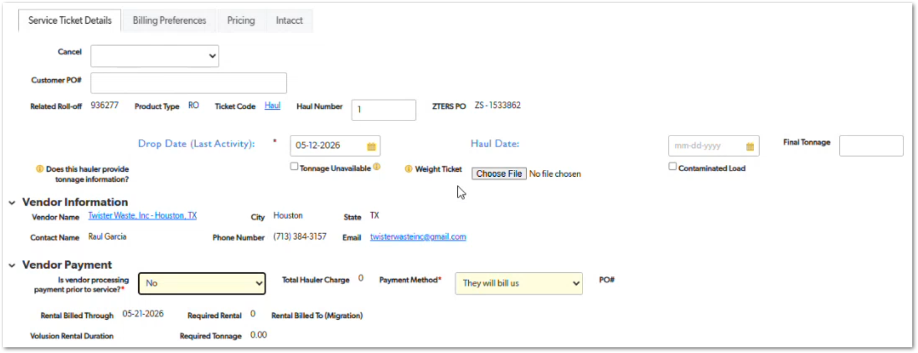 | Additional rental and tonnage may not be known when the haul ticket is first created. These values can be completed later after the haul occurs and the required rental or weight ticket information is available. | TBD
CUBE-PH4-D2-004 | Roll-Offs | Functional | Core Flow | Service Tickets | Capture Weight Ticket Information After Haul | As an Account Manager (AM), I want to attach weight ticket information and enter final tonnage after a roll-off haul, so that the system can determine whether additional tonnage should be billed. | Weight ticket information is expected after the roll-off has been hauled. Once the haul occurs, the user can attach the weight ticket and enter the final tonnage so the system can compare it against the included tonnage and identify any additional tonnage charges. | 1. User can enter the haul date after the roll-off is hauled, 2. User can attach weight ticket information, 3. User can enter final tonnage, 4. System compares final tonnage against the included tonnage, 5. System identifies whether additional tonnage should be billed. | Day 2, Part 1 [14:26 – 15:03] | NO MOCKUP | Weight ticket information is not available until after the haul occurs. This story should stay separate from the broader rental and tonnage tracking story because it focuses specifically on the supporting document and final tonnage entry. | TBD
CUBE-PH4-D2-005 | Roll-Offs | Functional | Core Flow | Service Tickets | Align Final Haul Date with Removal Date | As an Account Manager (AM), I want the final roll-off haul date to align with the removal date when the dumpster is not returned, so that the system reflects the final haul as the physical removal activity. | When the customer confirms that the dumpster should not be returned after the haul, the final haul date and the removal date represent the same physical activity. In this scenario, the hauler removes the dumpster during the final haul instead of returning it to the site. | 1. User can identify when a roll-off haul is the final haul, 2. User can enter a final haul date, 3. User can enter a removal date that matches the final haul date, 4. System treats the final haul as the physical removal activity, 5. System distinguishes the removal ticket from the physical removal action. | Day 2, Part 1 [15:03 – 17:34] | NO MOCKUP | The removal ticket acts as a bookend for the roll-off service chain. It confirms that no additional hauls are expected after rental, tonnage, and weight ticket details are completed. | TBD
CUBE-PH4-D2-006 | Roll-Offs | Workflow Validation | Core Flow | Service Tickets | Keep Roll-Off Haul Open Until Follow-Up Ticket Is Expected | As an Account Manager (AM), I want a roll-off haul ticket to remain open until rental, tonnage, and follow-up ticket requirements are completed, so that unresolved billing or service activity is not missed. | Roll-off haul tickets can remain open for weeks or months because the next haul may not occur immediately and required details, such as weight tickets, final tonnage, or additional rental, may be completed later. The haul ticket should remain incomplete until the required information is resolved and the next expected ticket, such as another haul or a removal ticket, can be handled. | 1. Haul ticket can remain open after initial entry, 2. System supports long-running roll-off haul tickets, 3. System allows rental and tonnage details to be added after the ticket is created, 4. System keeps the haul ticket incomplete until required billing or service details are resolved, 5. System supports continuation to the next expected ticket, such as another haul or a removal ticket. | Day 2, Part 1 [18:09 – 20:20] | NO MOCKUP | Roll-off haul tickets are different from most standard service tickets because they are not always completed at the time of entry. They may remain open until the next haul occurs and all rental, tonnage, and weight ticket details are accounted for. | TBD
CUBE-PH4-D2-007 | Roll-Offs | Workflow Validation | Core Flow | Service Tickets | Create Next Haul Based on Previous Haul Date | As an Account Manager (AM), I want the system to create the next roll-off haul ticket when the previous haul date is entered and no removal date exists, so that ongoing roll-off service activity can continue. | When a roll-off haul date is entered and the product does not have a removal date, the system creates another haul ticket because the dumpster remains active and additional haul activity may still be needed. If the haul date matches the removal date, the system can make the removal ticket option available. | 1. System checks whether the previous haul date is entered, 2. System checks whether the roll-off product has a removal date, 3. System creates another haul ticket when the haul date exists and no removal date exists, 4. System supports continued roll-off haul activity, 5. System can make the removal ticket option available when the haul date matches the removal date. | Day 2, Part 1 [20:23 – 21:04] | NO MOCKUP | This story defines the ticket-chain behavior for ongoing roll-off service. A new haul ticket should only be available when the previous haul activity has enough date information to continue the chain. | TBD
CUBE-PH4-D2-008 | Roll-Offs | Workflow Validation | Core Flow | Service Tickets | Block Next Haul When Previous Haul Date Is Missing | As an Account Manager (AM), I want the system to prevent another roll-off haul ticket when the previous haul date is missing, so that incomplete haul activity cannot be bypassed. | A new roll-off haul ticket cannot be created when the previous haul ticket does not have a haul date. Without the haul date, the current service is still considered incomplete because the system does not have the end date for the last haul. | 1. System validates whether the previous haul date is present, 2. System blocks another haul ticket when the previous haul date is missing, 3. System identifies that there is no end date for the last haul, 4. System treats the current haul as incomplete, 5. User cannot continue the roll-off haul chain until the missing haul date is entered. | Day 2, Part 1 [21:04 – 22:05] | NO MOCKUP | This validation prevents users from creating another haul while the current haul is still open-ended. In the transcript, the system message shown for this condition is “No end date for last haul.” | TBD
CUBE-PH4-D2-009 | Roll-Offs | Functional | Core Flow | Dispatching | Show Service Date Required for Open Haul | As an Account Manager (AM), I want the dispatch status to show “Service Date Required” when a roll-off haul date is missing, so that I can identify haul tickets that have not been dispatched yet. | A roll-off haul is not technically dispatched until the haul date is entered, because the physical hauling activity happens at the end of the on-call service. When the haul date is missing, the system should show the dispatch status as “Service Date Required.” | 1. System checks whether the haul date is missing, 2. System displays “Service Date Required” as the dispatch status when the haul date is missing, 3. System treats the haul as not technically dispatched until the haul date is entered, 4. System keeps the ticket open while the dumpster is still on site, 5. User can identify open haul tickets that still need a service date. | Day 2, Part 1 [22:05 – 23:01] | NO MOCKUP | This status supports the roll-off on-call workflow. The haul ticket may exist as a placeholder while the dumpster remains on site, but dispatch is not complete until the actual haul date is entered. | TBD
CUBE-PH4-D2-010 | Roll-Offs | Functional | Core Flow | Pricing | Calculate Standard Charge Using Rental and Tonnage Delta | As an Account Manager (AM), I want the system to calculate the roll-off standard charge using included rental days, included tons, hauler rates, and margin, so that the suggested customer price reflects the offered roll-off package. | Roll-off standard charges are calculated by comparing what the hauler includes with what ZTERS offers to the customer. The system uses values such as included rental days, included tons, rental rates, disposal rates, and margin to calculate the suggested customer price. | 1. System supports included rental days, 2. System supports included tons, 3. System supports hauler rental and disposal rate values, 4. System calculates the difference between hauler-included values and customer-included values when applicable, 5. System applies margin to calculate the suggested customer price, 6. Suggested price fields display the calculated roll-off package values. | Day 2, Part 1 [23:01 – 25:48] |  | This story covers the initial suggested price calculation for the roll-off package. Later rental or tonnage overages are handled separately when the haul is completed and actual rental or weight ticket information is available. | TBD
CUBE-PH4-D2-011 | Roll-Offs | Functional | Core Flow | Pricing | Allow Deviations from Standard Roll-Off Package | As an Account Manager (AM), I want to adjust included rental days and included tons for roll-off pricing, so that the quoted package can match the service provider terms or the customer’s specific service needs. | Roll-off pricing does not always follow the standard package. Included rental days and included tons may be adjusted when the service provider offers different terms, when the customer needs a longer rental period, or when the material type requires a different tonnage setup, such as concrete dumpsters. | 1. User can adjust included rental days, 2. User can adjust included tons, 3. System supports matching the service provider’s included rental or tonnage values, 4. System supports customer-specific scenarios such as longer rental periods, 5. System recalculates suggested pricing and margin based on the adjusted package values. | Day 2, Part 1 [25:54 – 27:47] | NO MOCKUP | The workshop gives examples where ZTERS may deviate from the standard package, including concrete dumpsters, customer requests for 30 days, and cases where service providers include more rental days or more tons than the default package. | TBD
CUBE-PH4-D2-012 | Roll-Offs | Workflow Validation | Core Flow | Service Tickets | Create Removal Ticket to Close Roll-Off Chain | As an Account Manager (AM), I want to create a removal ticket after the final removal date is entered, so that the roll-off service chain can be closed. | A removal ticket becomes available after the final removal date is entered. For roll-offs, the removal ticket closes out the dumpster service chain and confirms that no additional core haul activity is expected after the final haul/removal process is completed. | 1. User can enter the final removal date, 2. System checks whether the last haul has an end date, 3. System makes the removal ticket available when the required date conditions are met, 4. User can create the removal ticket, 5. Removal ticket closes the roll-off service chain. | Day 2, Part 1 [28:43 – 30:10] | 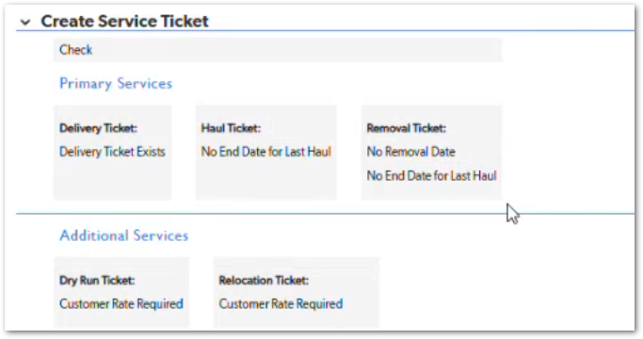 | The screenshot shows the blocking state before removal ticket creation, where the system still displays “No Removal Date” and “No End Date for Last Haul.” The removal ticket should only become available after the required final removal and last haul date conditions are satisfied. | TBD
CUBE-PH4-D2-013 | Roll-Offs | Workflow Validation | Core Flow | Service Tickets | Prevent Standard Service Tickets After Removal Ticket | As an Account Manager (AM), I want the system to prevent additional standard roll-off service tickets after a removal ticket is created, so that no core haul activity can continue after the roll-off service chain is closed. | After the removal ticket is created, the roll-off service chain is considered closed. The system should prevent users from creating additional standard haul tickets after removal, while still allowing non-core/ad hoc ticket types when applicable, such as damage or miscellaneous tickets. | 1. System allows another haul on the same day before the removal ticket is created, 2. System prevents additional standard haul tickets after the removal ticket is created, 3. System treats the removal ticket as the closing record for the roll-off chain, 4. System allows only applicable non-core/ad hoc ticket types after removal, 5. User cannot continue the standard roll-off service chain after removal. | Day 2, Part 1 [30:28 – 31:34] | NO MOCKUP | The transcript clarifies that matching the haul date and removal date does not automatically block another haul ticket. The restriction starts after the removal ticket is created. After that, only ad hoc ticket types such as damage or miscellaneous remain available. | TBD
CUBE-PH4-D2-014 | Billing | Functional | Core Flow | Invoicing | Create Invoice from Line Items | As an Account Manager (AM), I want invoices to be created from service ticket line items, so that customer invoices reflect the actual billable charges instead of the service ticket record itself. | Invoices are created from the line items attached to service tickets. The service ticket provides supporting information for the invoicing process, but the invoice itself is made up of the related billable line items. | 1. Invoice is created from service ticket line items, 2. Service ticket can have one or more billable line items, 3. Service ticket information is available during the invoicing process, 4. Invoice total is based on the related line items, 5. Invoice creation remains part of the Hub process. | Day 2, Part 1 [31:46 – 34:24] | NO MOCKUP | The transcript clarifies that service tickets do not create invoices directly. The line items are what actually appear on the invoice, while service ticket information is used as supporting context during the Hub invoicing process. | TBD
CUBE-PH4-D2-015 | Billing | Functional | Core Flow | Invoicing | Support One-to-Many Invoice Relationships | As an Account Manager (AM), I want one invoice to include multiple eligible line items from one or more service tickets, so that related billable charges can be invoiced together when allowed. | One invoice can include many line items. Since one service ticket can also have many line items, an invoice can include charges associated with multiple service tickets when those line items are eligible to be billed together. | 1. One service ticket can have multiple line items, 2. One invoice can include multiple line items, 3. One invoice can include line items associated with multiple service tickets, 4. System excludes line items that are already attached to an invoice, 5. System considers PO separation when determining whether line items can be billed together. | Day 2, Part 1 [33:29 – 34:03] | NO MOCKUP | This story focuses on invoice relationships and grouping logic. The transcript clarifies that invoices are one-to-many with line items, and service tickets are also one-to-many with line items. By association, one invoice can include line items from multiple service tickets. | TBD
CUBE-PH4-D2-016 | Other Services | Functional | Core Flow | Service Tickets | Support One-Time Service Ticket for Other Services | As an Account Manager (AM), I want Other Services to use a one-time service ticket, so that services that are not delivered, rented, serviced, and removed can be handled correctly. | Other Services are intended for one-time services rather than rented products that require delivery, recurring service, and removal. For regular Other Services, the system should support a single service ticket that records the service date and the related charges. | 1. System supports a single service ticket for regular Other Services, 2. System does not require a delivery/service/removal ticket chain for regular Other Services, 3. User can enter the service date for the one-time service, 4. User can record charges related to the completed service, 5. Grease traps are excluded from this Other Services behavior. | Day 2, Part 1 [34:24 – 37:02] | NO MOCKUP | Grease traps are excluded from this Day 2 Part 1 discussion because they were temporarily included under Other Services but are expected to be handled separately with CWS. | TBD
CUBE-PH4-D2-017 | Other Services | Workflow Validation | Core Flow | Pricing | Enforce Minimum Margin for Other Services | As an Account Manager (AM), I want the system to enforce the minimum margin for Other Services, so that low-margin service records cannot be saved. | Other Services require a minimum margin before the record can be saved. If the entered vendor rate and customer charge do not meet the required margin, the system should stop the user from saving the record and indicate that the margin is insufficient. Other services had a specific $100 margin expectation and the page would not save with a $50 margin. | 1. System validates the margin before saving an Other Services record, 2. System compares the customer charge against the hauler/vendor charge, 3. System prevents saving when the margin is below the required amount, 4. System shows feedback when the margin is insufficient, 5. User can update the pricing to meet the required margin before saving. | Day 2, Part 1 [37:02 – 38:07] |  | The screenshot shows the pricing fields used to evaluate the margin, including customer charge, total hauler charge, margin, and vendor rate. The transcript gives the example of a $100 margin expectation and explains that the page would not save with only a $50 margin. | TBD
CUBE-PH4-D2-018 | Other Services | Functional | Core Flow | Product Line Logic | Support Junk Removal as an Other Service | As an Account Manager (AM), I want junk removal to be supported as an Other Service, so that customers can receive a lower-cost alternative when a full roll-off dumpster is not needed or there is not enough space for one. | Junk removal is one of the most common services handled under Other Services. It is used when the customer needs items removed but does not need a fully rented roll-off dumpster, or when there is not enough space to place a dumpster at the site. | 1. System supports junk removal under Other Services, 2. User can create a one-time service ticket for junk removal, 3. System supports junk removal when a full roll-off dumpster is not needed, 4. System supports junk removal when there is not enough space for a dumpster, 5. Junk removal can be billed as an Other Service. | Day 2, Part 1 [38:07 – 39:45] | NO MOCKUP | The transcript describes junk removal as a lower-cost alternative to a full roll-off rental. This story should stay focused on junk removal as a supported service type, not on the broader catch-all behavior of Other Services. | TBD
CUBE-PH4-D2-019 | Other Services | Workflow Validation | Core Flow | Field Requirements | Avoid Unnecessary Placement Note Requirements | As an Account Manager (AM), I want the system to avoid requiring placement notes for Other Services when placement information does not apply, so that service records are not blocked by irrelevant field requirements. | Other Services can include services where placement information is not applicable, such as cleaning or power washing. The system should apply field requirements based on the selected service type instead of enforcing placement notes across all Other Services. | 1. System evaluates field requirements based on the selected Other Service type, 2. System does not require placement notes when placement information does not apply, 3. User can save an Other Services record without placement notes when the service does not require them, 4. System can still support placement notes when they are relevant to the selected service, 5. Field validation for Other Services is separate from product lines where placement notes are required. | Day 2, Part 1 [39:45 – 41:07] | 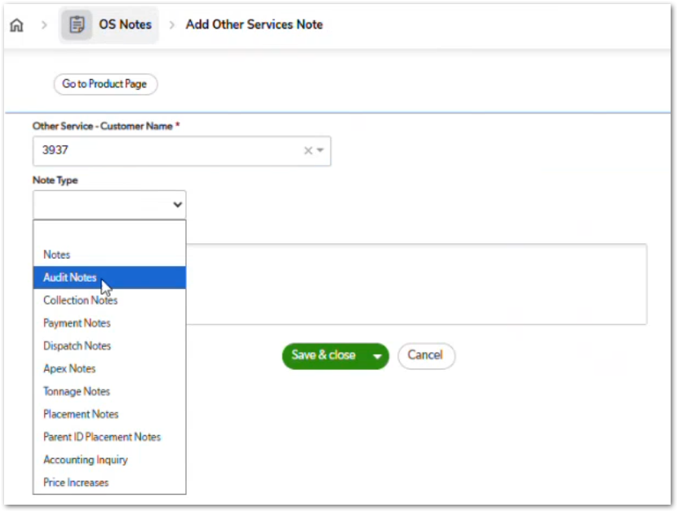 | The transcript specifically calls out that a placement note does not make sense for services like cleaning a house or power washing a driveway. The screenshot shows Placement Notes as an available note type, but it does not directly show the validation behavior. | TBD
CUBE-PH4-D2-020 | Other Services | Functional | Core Flow | Dispatching | Autofill Dispatch Log from Call Information | As an Account Manager (AM), I want dispatch log information to autofill from the call when available, so that dispatch-related fields can be completed more efficiently. | The Dispatch Log can autofill call-related information during the Other Services workflow. This helps reduce manual entry by carrying over available call details into dispatch fields such as who called in, when the call occurred, and who is handling the dispatch. | 1. System autofills dispatch log information when call data is available, 2. System displays autofilled values in the Dispatch Log section, 3. User can review the autofilled dispatch information, 4. User can complete any remaining dispatch fields manually, 5. Autofill behavior does not prevent the user from saving or continuing the ticket. | Day 2, Part 1 [41:07 – 41:24] |  | The transcript only confirms that the autofill behavior exists and was useful during the Other Services walkthrough. The screenshot supports the Dispatch Log context, but it also includes a Grease Trap Manifest Received checkbox, so avoid using that part as evidence for this story unless documenting grease traps separately. | TBD
CUBE-PH4-D2-021 | Other Services | Functional | Core Flow | Product Categorization | Use Other Services as Catch-All Category | As an Account Manager (AM), I want services that do not fit into a predefined product category to be recorded under Other Services, so that non-standard customer requests can still be managed. | Other Services works as a catch-all category for customer requests that do not belong to the predefined product lines. This allows ZTERS to manage non-standard services when the business decides to fulfill them, even if the request does not have a dedicated product category. | 1. System provides Other Services as a catch-all category, 2. User can record services that do not fit predefined product categories, 3. System supports an undefined “Other” option when no specific service type applies, 4. User can manage non-standard customer requests under Other Services, 5. Other Services remains separate from predefined product categories. | Day 2, Part 1 [41:27 – 44:54] | NO MOCKUP | The transcript gives examples of unusual services that could be handled under Other Services when appropriate, such as driveway repair, parking lot striping, or even highly discretionary customer requests. This story should stay focused on categorization flexibility, not fulfillment or pricing. | TBD
CUBE-PH4-D2-022 | Service Providers | Functional | Core Flow | Provider Selection | Support Manual Provider Search for Other Services | As an Account Manager (AM), I want the fulfillment process to support manual provider searching when no listed provider is available, so that uncommon Other Services requests can still be fulfilled. | Some Other Services requests may not have an existing PSP or provider available in the system. In those cases, the fulfillment process should support manual provider search, including contacting providers outside the existing provider list, capturing the provider cost, and applying the required markup before selling the service to the customer. | 1. System supports cases where no existing provider is available, 2. User can proceed with manual provider search, 3. User can record provider information outside the existing PSP list when needed, 4. User can record provider cost, 5. User can apply margin or markup before selling the service to the customer. | Day 2, Part 1 [45:23 – 47:33] | NO MOCKUP | This applies especially to non-standard services such as power washing or similar requests where ZTERS may not already have a provider in the system. Keep this story focused on the manual provider search process, not on provider ranking or best-match suggestions. | TBD
CUBE-PH4-D2-023 | Service Providers | Functional | Core Flow | Provider Selection | Evaluate Providers by Cost, Rating, and Reliability | As an Account Manager (AM), I want available providers to be evaluated by cost, ratings, reviews, and reliability, so that provider selection is not based only on the lowest price. | When there is no PSP available, the fulfillment team may review providers that have serviced the area before or are already stored in the system. Provider selection should consider average cost, ratings, reviews, and reliability so the user can choose a provider that balances price with service quality. | 1. System can show provider cost information, 2. System can show provider ratings, 3. System can show provider reviews or reliability indicators, 4. User can compare providers using both price and service quality, 5. User can select a provider after evaluating cost, ratings, reviews, and reliability. | Day 2, Part 1 [49:34 – 51:44] | NO MOCKUP | Provider selection should not automatically favor the lowest price. A slightly higher-cost provider may be preferred when ratings and reliability are stronger, since poor provider performance can create extra operational or billing issues later. | TBD
CUBE-PH4-D2-024 | Service Providers | UX/UI | Core Flow | Provider Selection | Show Best-Match Provider Options | As an Account Manager (AM), I want the system to show best-match provider options based on cost, ratings, reliability, and usage, so that provider selection requires less manual searching. | When no PSP is available, the system should help users identify provider options that may be worth evaluating. Best-match options can consider factors such as cost, rating, reliability, and previous usage so the fulfillment team does not need to search manually from scratch. | 1. System can display suggested provider matches for evaluation, 2. Suggested matches can consider cost, ratings, reliability, and usage history, 3. User can review suggested providers before selecting one, 4. System supports reducing manual provider search when no PSP is available, 5. Suggested providers are presented as recommendations, not automatic selections. | Day 2, Part 1 [51:44 – 53:33] | NO MOCKUP | This is an improvement over the current manual evaluation process. Suggested providers should support decision-making, but the user still needs to review the options before selecting a provider. | TBD
CUBE-PH4-D2-025 | Other Services | Workflow Validation | Core Flow | Service Tickets | Limit Other Services to Service, Dry Run, and Miscellaneous Ticket Types | As an Account Manager (AM), I want regular Other Services to use only the applicable service, dry run, and miscellaneous ticket types, so that one-time services do not follow an unnecessary delivery/service/removal chain. | Regular Other Services should not follow the same delivery, recurring service, and removal ticket chain used by rental-based product lines. The system should support the actual one-time service ticket and still allow applicable exception ticket types, such as dry run or miscellaneous, when service complications occur. | 1. System does not create a delivery/service/removal chain for regular Other Services, 2. System supports one actual service ticket for the completed service, 3. System allows dry run tickets when the service cannot be completed, 4. System allows miscellaneous tickets when applicable, 5. System prevents additional standard service or removal tickets for regular Other Services. | Day 2, Part 1 [53:39 – 56:54] |  | Dry run can apply when the provider cannot complete the service, such as when access is blocked. Miscellaneous tickets remain available for non-core adjustments, but regular Other Services should still behave as one-time services rather than rental chains. | TBD
CUBE-PH4-D2-026 | Product Codes | Data Integrity | Core Flow | Product Master | Identify Product Codes by State Prefix | As an Account Manager (AM), I want product codes to include the applicable state prefix and product/service code, so that state-based product and tax code variants can be identified correctly. | Product codes are prefixed by state, such as TX or NY, and that every product code has a tax code variant. Product codes use a state prefix combined with the product/service code. This allows the system to maintain state-specific product code variants and support tax code handling across different states. | 1. Product code includes the applicable state abbreviation prefix, 2. Product code identifies the product and service combination, 3. System supports state-based product code variants, 4. Product code variants support tax code handling, 5. System can distinguish product code variants across different states. | Day 2, Part 1 [57:03 – 58:17] | 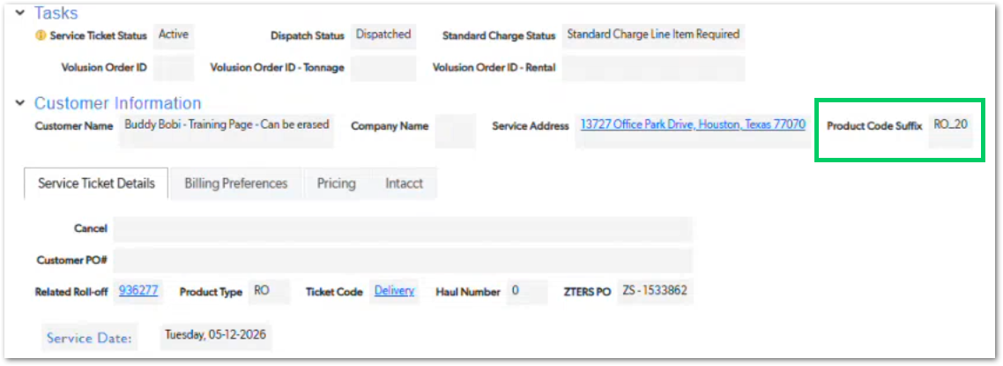 | The screenshot shows the product code suffix value, such as RO_20, but not the full state-prefixed code. Use this screenshot only as supporting context for product code structure, not as direct evidence of the state prefix. | TBD
CUBE-PH4-D2-027 | Fulfillment Tickets | Functional | Core Flow | Service Ticket Mapping | Map Fulfillment Tickets to Actionable Service Activities | As an Account Manager (AM), I want fulfillment tickets to be created for actionable service activities, so that haulers are contacted only when coordination is required. | Fulfillment tickets are created for service activities that require action from the fulfillment team or communication with a hauler. Examples include deliveries, hauls, removals, and extra services. Standard recurring rental or service cycles do not always require a fulfillment ticket because the hauler is expected to continue the recurring service without being contacted each cycle. | 1. System creates fulfillment tickets for service activities that require hauler coordination, 2. Delivery activities can generate fulfillment tickets, 3. Haul activities can generate fulfillment tickets, 4. Removal and extra service activities can generate fulfillment tickets, 5. Standard recurring rental or service cycles do not automatically require a fulfillment ticket every cycle. | Day 2, Part 1 [1:13:31 – 1:15:08] | 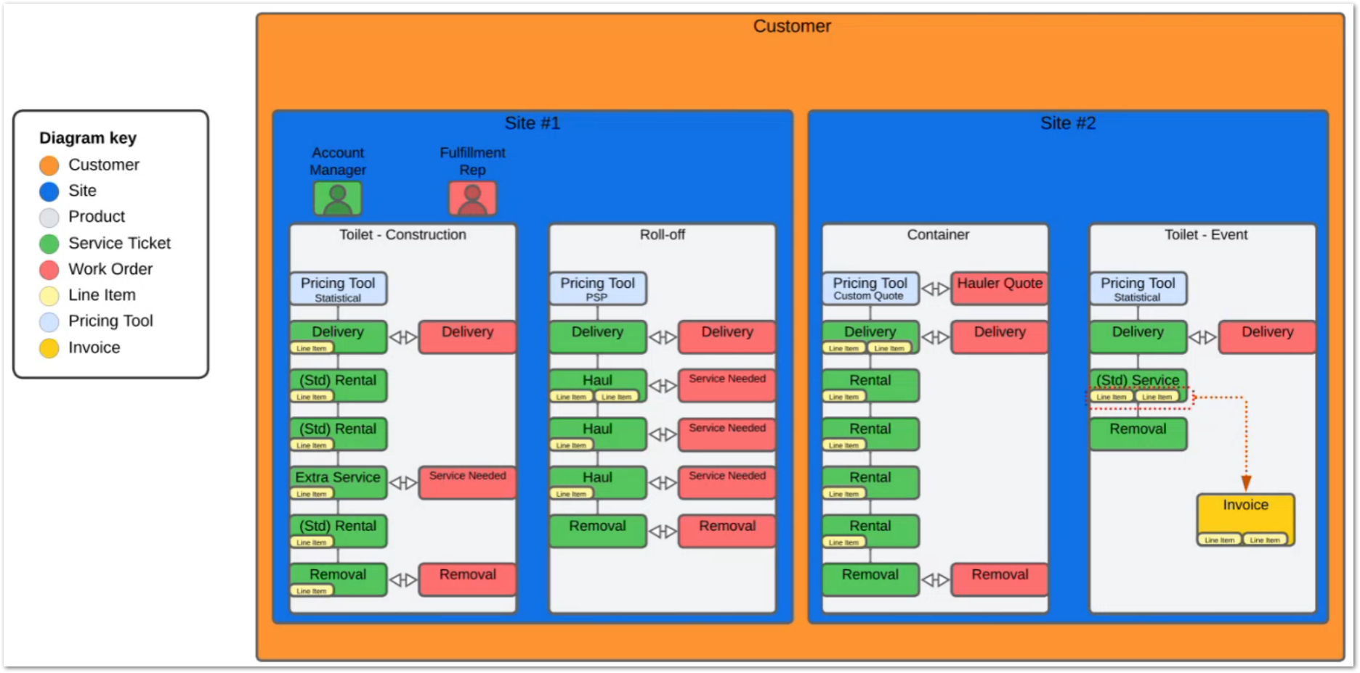 | The diagram is a strong supporting mockup for this story because it shows how service tickets connect to work orders/fulfillment tickets and line items. Keep this story focused on service-ticket-to-fulfillment-ticket mapping, not provider selection or invoicing logic. | TBD
CUBE-PH4-D2-028 | Billing | Functional | Core Flow | Invoicing | Bill Eligible Line Items Together by Site and PO Conditions | As an Account Manager (AM), I want eligible line items to be billed together when they belong to the same site and are not separated by PO requirements, so that related charges can be included on the same invoice. | Line items can be billed together when they are available for billing and meet the required grouping conditions. Items can be grouped by site, but separate PO numbers require separate invoices. Line items that are already attached to an invoice should not be available for billing again. | 1. System identifies line items available for billing, 2. System excludes line items that are already attached to an invoice, 3. System can group eligible line items by site, 4. System separates line items when PO numbers are different, 5. User can create one invoice from eligible unbilled line items when grouping conditions are met. | Day 2, Part 1 [1:15:08 – 1:17:51] | 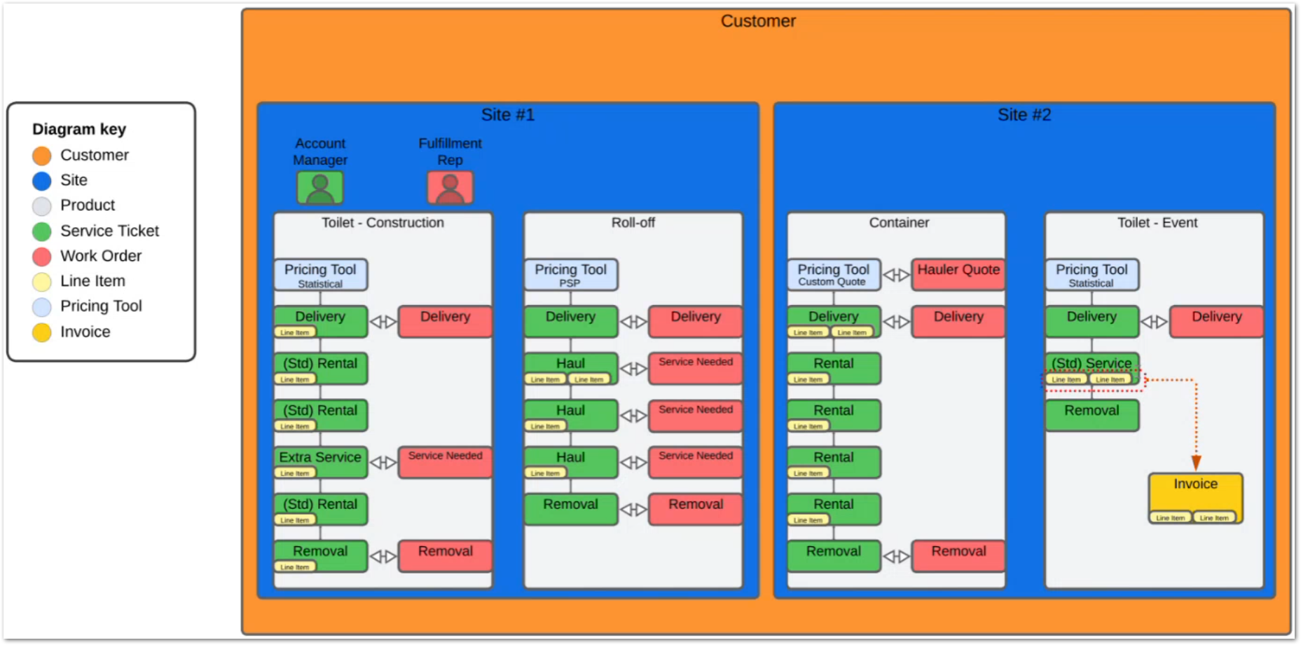 | Use the diagram as the main mockup for this story. It shows how line items from service tickets can be grouped into an invoice, while still keeping the site and product structure visible. PO separation is the key condition that prevents otherwise related line items from being billed together. | TBD
CUBE-PH4-D2-029 | Service Providers | Integration | Core Flow | Hauler Management | Add Vendor to Intacct from Service Provider Record | As an Account Manager (AM), I want a service provider to be added to Intacct before invoicing when needed, so that vendor records are available for downstream accounting processes. | Service providers may need to be added to Intacct before the invoice process occurs. The system should support a manual trigger that sends the provider information through Hub so the vendor record can be created in Intacct when required. | 1. User can manually trigger the service provider to be added to Intacct, 2. System sends the service provider information through Hub, 3. Hub creates or adds the vendor record in Intacct, 4. The process supports cases where the vendor is needed before invoice creation, 5. The vendor setup process does not depend only on invoice-time vendor creation. | Day 2, Part 1 [1:18:26 – 1:20:03] |  | Use the diagram only as general process context. A more specific mockup would be the service provider field or control used to trigger the Intacct vendor creation. This story should stay focused on vendor synchronization with Intacct, not invoice generation itself. | TBD
CUBE-PH4-D2-030 | Service Providers | Workflow Validation | Core Flow | Hauler Authorization | Validate Service Provider Authorization Requirements | As an Account Manager (AM), I want service provider authorization to depend on current insurance, current W-9, and required provider information, so that only eligible providers can be used. | Service providers must meet authorization requirements before they can be used in the workflow. Authorization depends on required provider information, insurance on file, W-9 on file, and documents that are not missing or expired. | 1. System checks whether insurance is on file, 2. System checks whether W-9 is on file, 3. System checks whether required provider information is complete, 4. System checks whether required documents are missing or expired, 5. System prevents unauthorized providers from being used when authorization requirements are not met. | Day 2, Part 1 [1:20:03 – 1:22:15] | 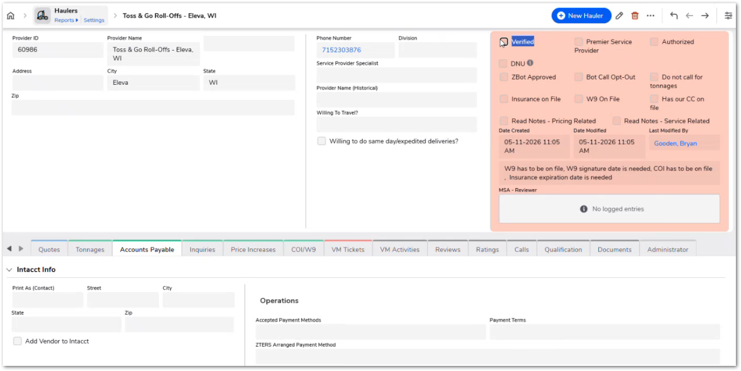 | The hauler record should clearly show authorization-related fields such as Verified, Authorized, Insurance on File, W9 On File, and DNU. Missing or expired required documents should prevent the provider from being treated as eligible for normal use. | TBD
CUBE-PH4-D2-031 | Service Providers | Workflow Validation | Core Flow | Hauler Authorization | Support Temporary Authorization for Service Providers | As an Account Manager (AM), I want to temporarily authorize a service provider when required information is still pending, so that the provider can be used for a limited time while authorization requirements are completed. | Temporary authorization as a limited-use process when a hauler is needed for a site but required W-9/COI information is not yet available. Temporary authorization allows a service provider to be used for a limited period when the provider is needed for service but required authorization information is still pending. The system should require a reason, track the most recent temporary authorization date, and maintain a count of how many times the provider has been temporarily authorized. | 1. User can mark a service provider as temporarily authorized, 2. System requires a temporary authorization reason or explanation, 3. System records the most recent temporary authorization date, 4. System increments the temporary authorization count, 5. Temporary authorization allows the provider to be used only during the allowed temporary period. | Day 2, Part 1 [1:22:15 – 1:24:50] | 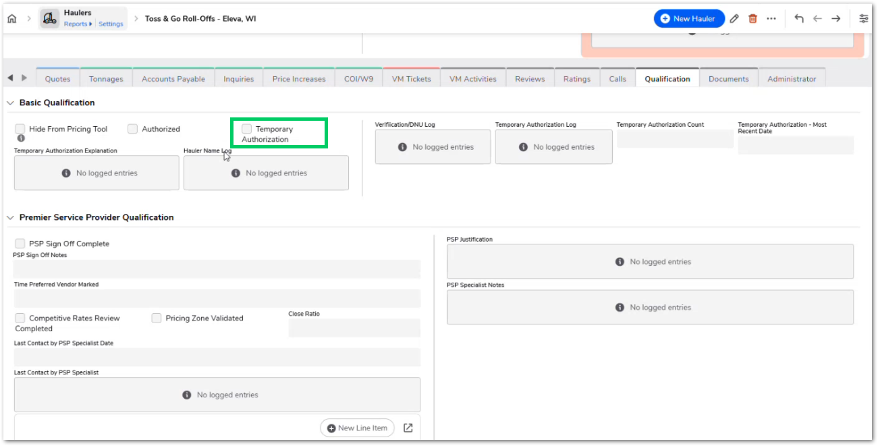 | Temporary authorization should be treated as an exception, not the normal provider approval path. The screenshot shows the key tracking fields needed for this process, including the explanation, log, count, and most recent authorization date. | TBD
CUBE-PH4-D2-032 | Service Providers | Functional | Core Flow | Hauler Status | Use Service Provider Statuses to Control Availability | As an Account Manager (AM), I want service provider availability to be controlled by a single status, so that only authorized and verified or temporarily authorized providers can be used. | Service provider availability should be controlled through a clear status model. Statuses such as Draft, Pending Verification, Authorized, Temp Authorized, Suspended, DNU, Merged, and Deleted help distinguish why a provider can or cannot be used. Only providers that are authorized and verified, or temporarily authorized within the allowed period, should be available for use. | 1. System supports Draft status for providers that have never been submitted or used, 2. System supports Pending Verification status when submitted information has not been fully reviewed, 3. System supports Authorized status when verification, current COI, and W-9 requirements are met, 4. System supports Temp Authorized status during the allowed temporary authorization period, 5. System supports Suspended status when required documents are missing or expired after prior verification, 6. System prevents provider use when the status is DNU, Merged, Deleted, Suspended, Pending Verification, or Draft. | Day 2, Part 1 [1:25:09 – 1:29:19] | 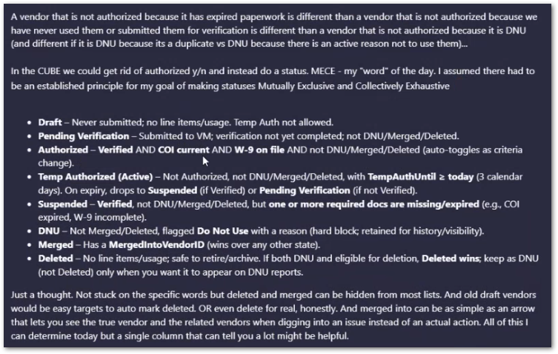 | A single status should make provider availability easier to understand than separate yes/no fields. DNU should act as a hard block, while Merged and Deleted can be hidden from most lists depending on the final design. Temporary authorization should expire automatically and fall back to Suspended or Pending Verification based on whether the provider had been verified before. | TBD
CUBE-PH4-D2-033 | Service Providers | Workflow Validation | Core Flow | Hauler Verification | Restrict Service Provider Verification to Service Provider Lead | As a Service Provider Lead, I want to verify service providers through a restricted approval process, so that verification is controlled by the appropriate role. | Service provider verification should be restricted to the Service Provider Lead. The verification process confirms that the provider information has been reviewed, but verification remains separate from document expiration logic. A provider can remain verified while becoming suspended if required documents later become missing or expired. | 1. Only the Service Provider Lead can verify a service provider, 2. Verification is handled through a restricted approval process, 3. Verification remains separate from document expiration status, 4. A verified provider can become suspended when required documents are missing or expired, 5. Verification status contributes to the provider’s overall availability status. | Day 2, Part 1 [1:32:48 – 1:34:35] | 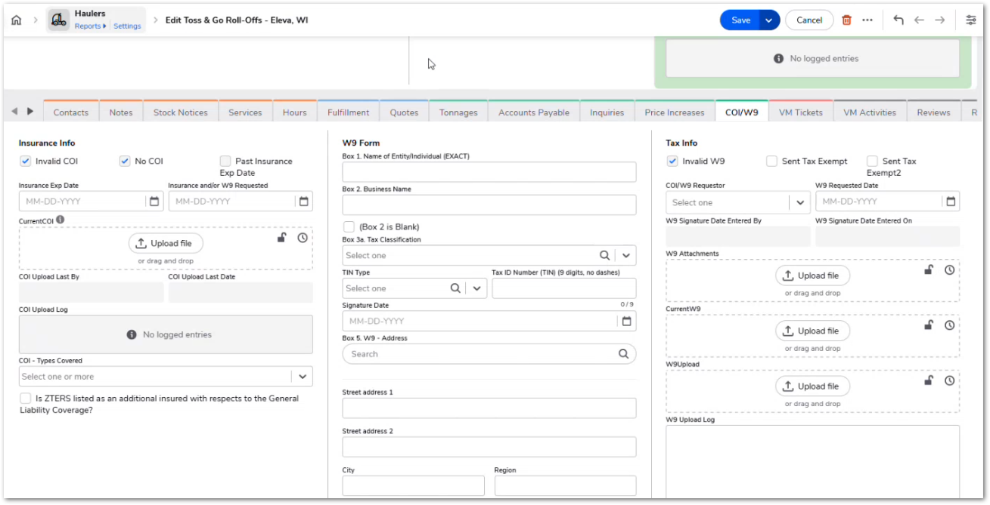 | Verification should not be automatically unchecked when insurance or W-9 information expires. The provider can stay verified from a review standpoint, while the overall status changes to suspended because required documents are no longer valid. | TBD
CUBE-PH4-D2-034 | Employees | Data Integrity | Core Flow | User Metadata | Maintain Employee Metadata for System Logic | As an Account Manager (AM), I want employee metadata such as manager, department, active status, title, and CWS indicator to be available across the system, so that reporting, ownership, and workflow logic can use the correct employee context. | Employee metadata is used across the system for reporting, page conditions, record ownership, workflow logic, and CWS-specific behavior. The system needs access to key employee details such as manager or supervisor, title, department, active status, and CWS-related indicators when records are assigned, displayed, filtered, or processed. | 1. System stores manager or supervisor metadata, 2. System stores employee title and department-related metadata, 3. System identifies whether an employee is active or inactive, 4. System supports CWS-related employee indicators, 5. Employee metadata can be used by reporting, page conditions, ownership logic, and workflow rules. | Day 2, Part 1 [1:39:30 – 1:51:03] | 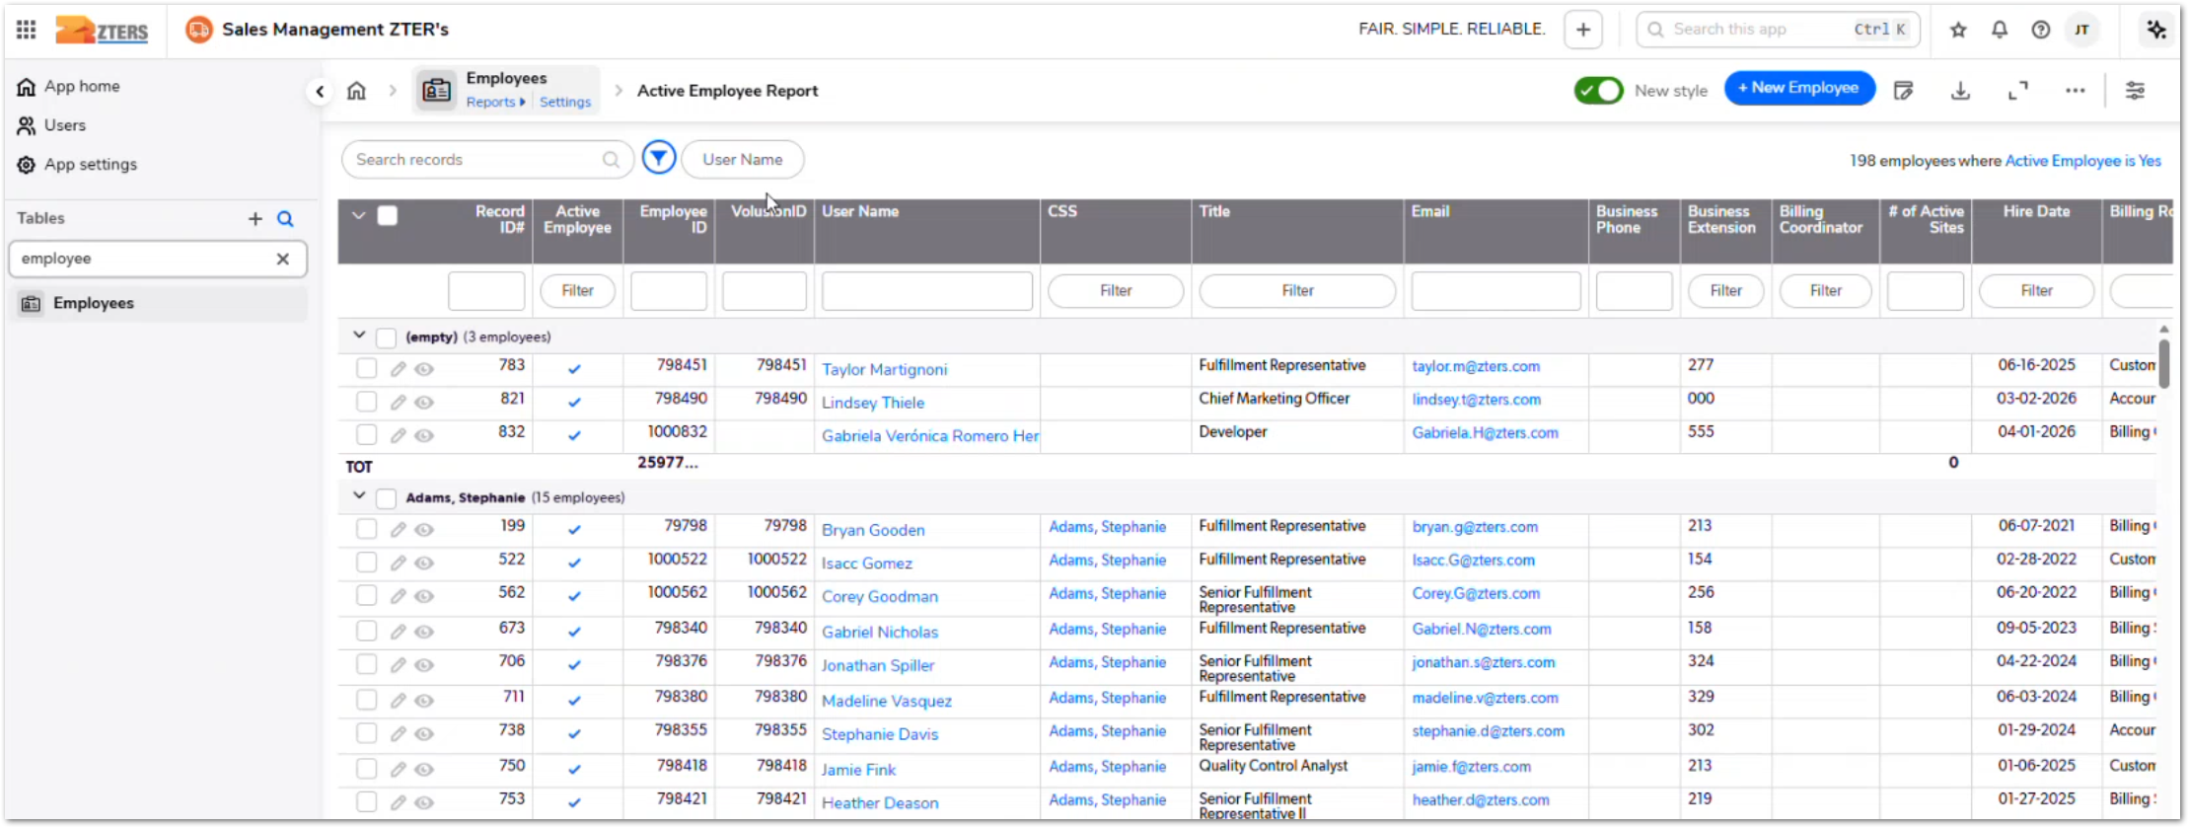 | This story marks the transition from product/service-ticket behavior into employee metadata. Employee records are needed beyond authentication because several parts of the system depend on employee context, such as manager hierarchy, CWS logic, account ownership, reporting, and active/inactive status. | TBD
CUBE-PH4-D2-035 | Employees | Data Integrity | Core Flow | User Metadata | Keep One-to-One Parity Between Users and Employee Metadata | As an Account Manager (AM), I want each system user to have one corresponding employee metadata record, so that user access and employee context remain aligned in CUBE. | CUBE should maintain one-to-one parity between system users and employee metadata records. Each user record should have a matching employee metadata record so the system can consistently use employee context for ownership, reporting, permissions, and workflow logic. | 1. Each system user has one corresponding employee metadata record, 2. Employee metadata remains aligned with the user record, 3. System avoids duplicate user-role combinations from the current QuickBase structure, 4. System supports deleting or soft-deleting CUBE users according to the final design, 5. Historical user handling is reviewed before old or denied users are removed. | Day 2, Part 1 [1:51:13 – 1:55:24] | 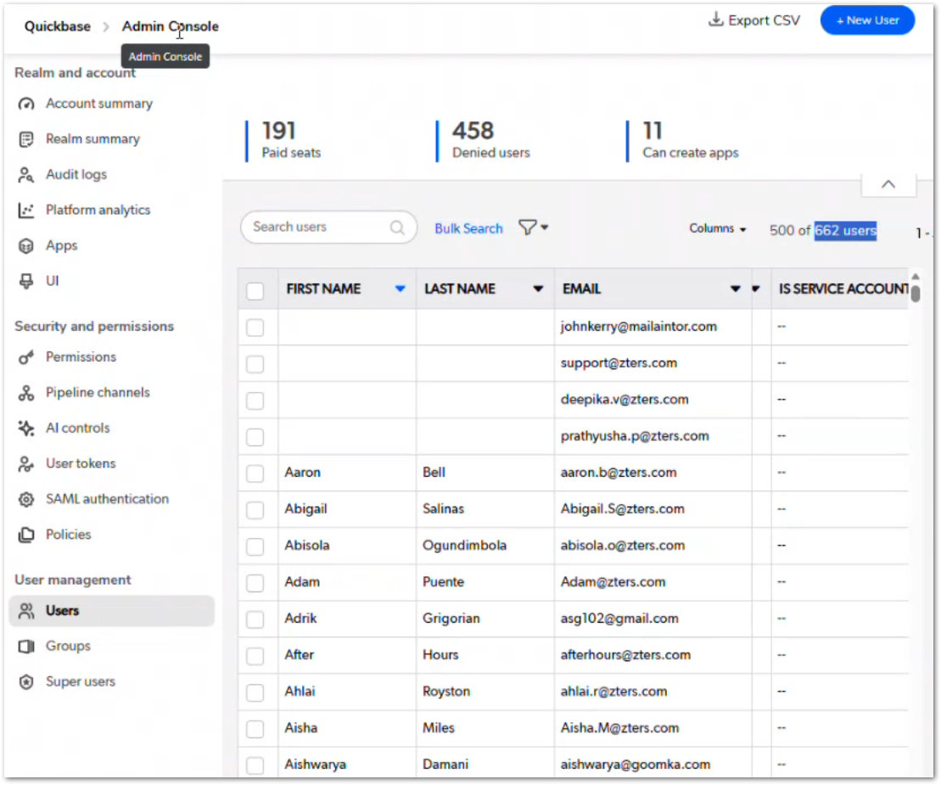 | This story builds on the employee metadata requirement. The goal is to avoid separate user and employee records drifting out of sync. Old, denied, duplicated, or historical users may need cleanup rules before migration, especially if past activity or audit history still depends on those records. | TBD
CUBE-PH4-D2-036 | Customers | Automation | Core Flow | Customer Assignment | Capture BDR and Round-Robin Assign Customer to AM | As a Business Development Representative (BDR), I want the customer record to capture me as the BDR who answered the call and then assign the customer to an AM through round robin, so that call origin and customer ownership are both retained. | When a customer record is created from the call flow, the system captures the BDR who answered the call and then reassigns the customer to the next AM in the round-robin assignment order. This keeps the original call ownership visible while assigning the customer record to the AM responsible for follow-up. | 1. Customer record is created through the call flow, 2. System captures the BDR who answered the call, 3. System stores the BDR as the last assigned user or equivalent tracking field, 4. System identifies the next AM in the round-robin assignment order, 5. System reassigns the customer record owner to the selected AM, 6. System marks the round-robin reassignment as completed. | Day 2, Part 1 [1:55:24 – 2:00:26] | 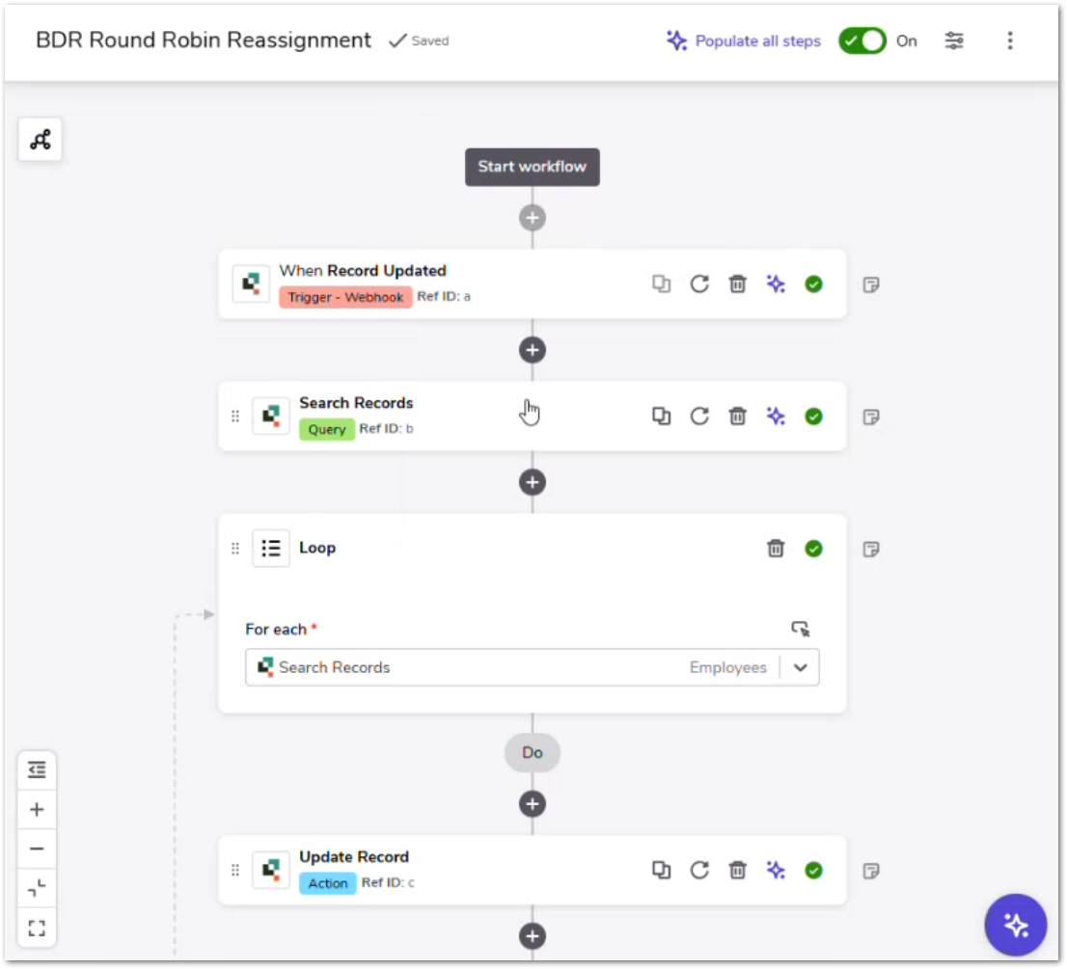 | This story starts the customer assignment automation topic. The BDR remains traceable as the person who answered the call, while the AM becomes the customer record owner for follow-up. The screenshot can be used as the mockup because it shows the actual round-robin reassignment workflow. | TBD
CUBE-PH4-D2-037 | Customers | Functional | Core Flow | Customer Wizard | Keep Customer Creation APIs Compatible with New Call Wizard | As an Account Manager (AM), I want the HUB Call Wizard to keep its customer creation API behavior compatible with CUBE, so that customer, site, product, pricing, task, and billing information can continue flowing correctly between HUB and CUBE. | The Call Wizard is a HUB feature that will be connected to CUBE. Its customer creation behavior should remain compatible with the existing assignment and customer flow logic, including customer creation, site creation, product/pricing flow, task creation, and billing preference capture. | 1. HUB Call Wizard can create customer information, 2. HUB Call Wizard can create site information, 3. HUB Call Wizard can continue into product and pricing flow, 4. HUB Call Wizard can support task creation for related products, 5. HUB Call Wizard can capture billing preference, 6. Customer creation API behavior remains compatible with CUBE assignment automation. | Day 2, Part 1 [2:00:50 – 2:03:21] | NO MOCKUP | The Call Wizard should be documented as a HUB feature that connects to CUBE, not as a native CUBE screen. The key requirement is API compatibility so existing customer assignment and downstream flow logic continue working after integration. | TBD
CUBE-PH4-D2-038 | Customers | Automation | Core Flow | Round Robin | Calculate AM Round-Robin Rank | As an Account Manager (AM), I want my round-robin rank to be calculated from previous customer assignments, so that the next eligible AM receives the next customer in the assignment order. | The round-robin rank is calculated by comparing each included AM’s most recent assigned customer record against the other AMs in the assignment pool. The AM with the next eligible rank receives the next customer assignment and then moves to the back of the assignment order. | 1. System includes only AMs marked for round-robin assignment, 2. System calculates each AM’s most recent customer assignment value, 3. System compares eligible AMs against the assignment pool, 4. System identifies the AM with the next eligible rank, 5. Assigned AM moves to the back of the assignment order after receiving a new customer. | Day 2, Part 1 [2:03:21 – 2:07:12] | 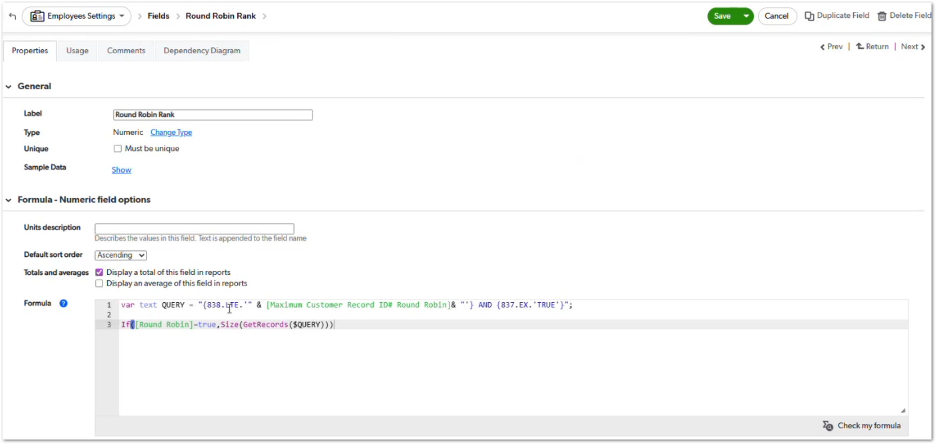 | The screenshot is a good mockup for this story because it shows the Round Robin Rank field and the formula behind the current QuickBase implementation. In CUBE, the same business behavior can be implemented differently as long as the assignment order remains fair and traceable. | TBD
CUBE-PH4-D2-039 | Customers | Workflow Validation | Core Flow | Round Robin | Handle New Employees and Leave in Round Robin | As an Account Manager (AM), I want new AMs and unavailable AMs to be handled correctly in the round-robin pool, so that customer assignments only go to eligible AMs. | The round-robin pool should include only AMs who are eligible to receive customer assignments. A new AM may need an initial assignment value before the system can calculate their position in the pool, while an AM who is temporarily unavailable can be removed from the pool until they return. | 1. System allows a new AM to be included in the round-robin pool, 2. System requires an initial assignment value before a new AM can be ranked, 3. System supports a round-robin inclusion flag, 4. System excludes unavailable AMs from the assignment pool, 5. System resumes assignment eligibility when the AM is added back to the pool. | Day 2, Part 1 [2:07:20 – 2:10:29] | NO MOCKUP | This story depends on the round-robin ranking logic from D2-038. New AMs need a non-null assignment value so the system can calculate their place in line. AMs who are on leave or temporarily unavailable should be excluded from the assignment pool instead of receiving new customers. | TBD
CUBE-PH4-D2-040 | Customers | Integration | Core Flow | Customer Records | Send Customer Updates to Intacct, Hub, or Portal | As an Account Manager (AM), I want customer creation and customer name updates to trigger the required integrations, so that Intacct, Hub, and/or Portal remain aligned with CUBE customer data. | Customer records need to stay synchronized with related external systems. When a customer is created, the system should send the customer information to Intacct. When the customer name is updated, the system should trigger the required updates for Hub and/or Portal so customer data remains consistent. | 1. System triggers an integration when a customer record is created, 2. System sends new customer data to Intacct, 3. System detects customer name updates, 4. System triggers Hub and/or Portal updates when the customer name changes, 5. Integration triggers help keep customer data aligned across connected systems. | Day 2, Part 1 [2:11:54 – 2:12:36] | 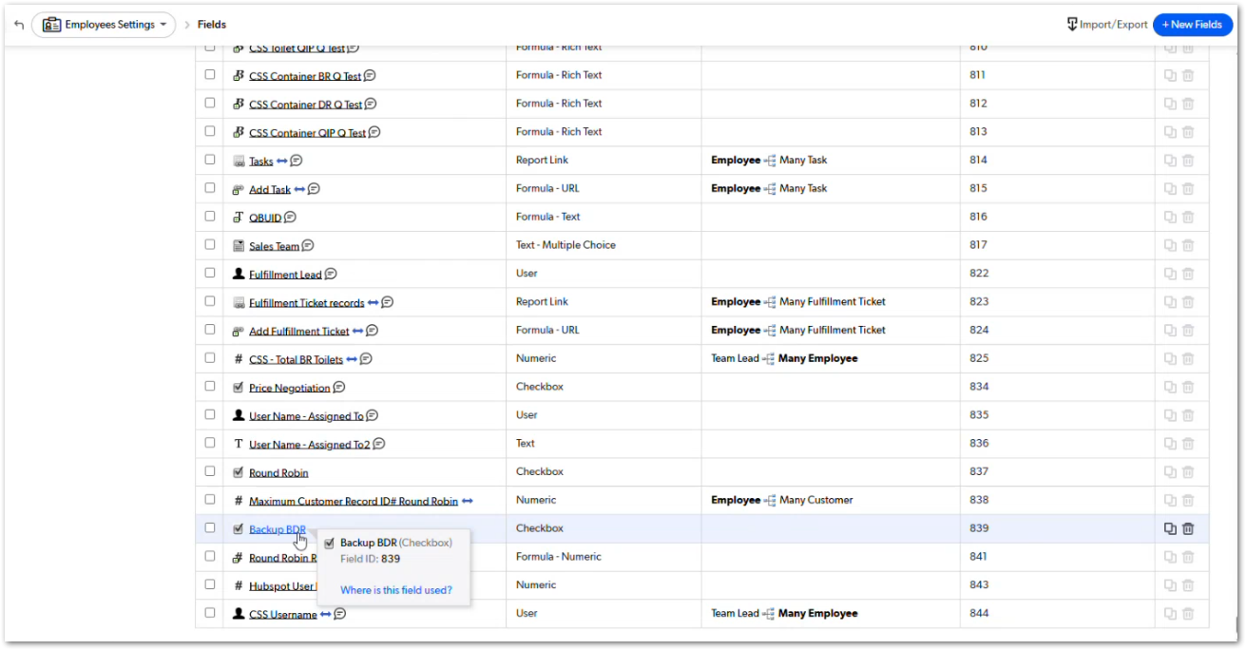 | A better mockup would show the customer record webhook, customer integration fields, or the customer record update process. The screenshot shared is more useful for the round-robin/customer assignment stories because it shows employee assignment fields rather than customer integration behavior. | TBD
CUBE-PH4-D2-041 | Customers | Automation | Core Flow | Customer Assignment | Support Permanent Customer Reassignment | As an Account Manager (AM), I want customer records to be permanently reassigned in bulk, so that customers can be redistributed to another AM when ownership changes are needed. | Customer records can be permanently reassigned using a reassignment report and automation that updates the customer record owner. The process allows users to filter customer records, set a reassigned-to value, and save the changes so ownership is updated without editing each customer record individually. | 1. User can filter customer records by current owner, 2. User can update the reassigned-to value for one or more customer records, 3. System updates the customer record owner based on the reassigned-to value, 4. System supports bulk reassignment of multiple customer records, 5. System records reassignment context using fields such as last assigned to and reassigned to when applicable. | Day 2, Part 1 [2:12:36 – 2:16:31] | 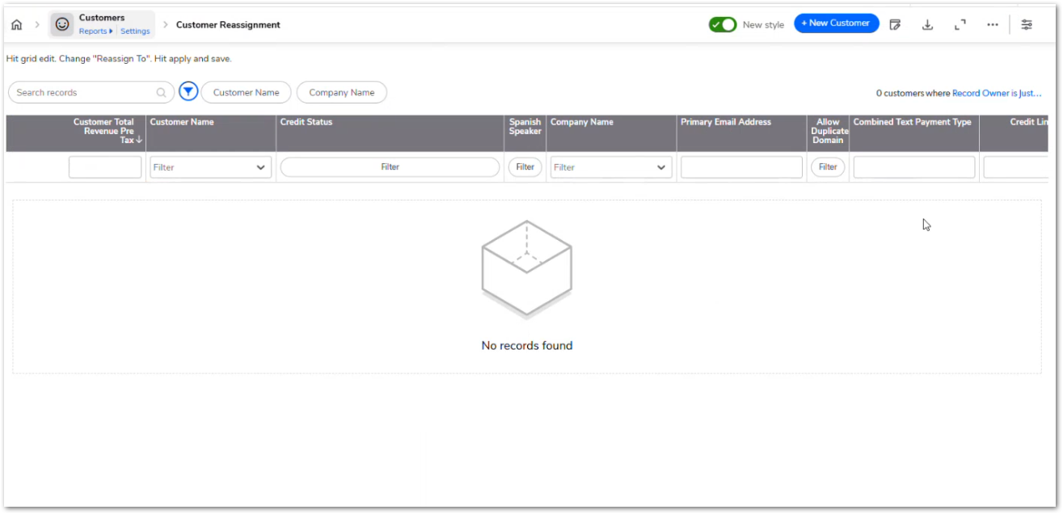 | This process is separate from round-robin assignment. It is used when existing customer ownership needs to be changed permanently, such as redistributing customers from one AM to another. The screenshot is a good mockup because it shows the reassignment report used for this workflow. | TBD
CUBE-PH4-D2-042 | Customers | Functional | Core Flow | Customer Assignment | Show Temporary Assignment Context | As an Account Manager (AM), I want temporary assignment context to be visible on customer records, so that users know when the main AM is out and who should be contacted temporarily. | Customer records should show when a main AM is out and another user is temporarily assigned to support the customer. This context helps users contact the correct person without permanently changing ownership or losing visibility of the original AM relationship. | 1. System supports temporary employee assignment on customer records, 2. System supports active out-of-office context when applicable, 3. Customer page shows when the main AM is out, 4. Customer page shows the temporary contact responsible during that period, 5. User can understand the temporary assignment context without leaving the customer record. | Day 2, Part 1 [2:16:31 – 2:18:36] | NO MOCKUP | Temporary assignment should not be treated the same as permanent reassignment. The purpose is to show who should be contacted while the main AM is unavailable, while still preserving the original ownership context. | TBD
CUBE-PH4-D2-043 | Customers | Data Integrity | Core Flow | Customer Validation | Validate Customer Email and Portal Email Fields | As an Account Manager (AM), I want customer email fields to support validation and portal access logic, so that customer records can remain consistent and portal usage is not blocked by missing or misaligned email data. | Customer records include multiple email fields, such as primary email, portal email, internal shared email, and external shared email. These fields should support customer validation, duplicate prevention, and portal access logic without preventing customers from using the portal when optional override fields are blank. | 1. System supports primary email validation, 2. System supports portal email handling, 3. System supports internal and external shared email fields, 4. System can align or copy email values when required, 5. Portal access is not blocked only because optional shared or override email fields are blank, 6. Duplicate email or domain validation is supported where applicable. | Day 2, Part 1 [2:18:36 – 2:24:04] | 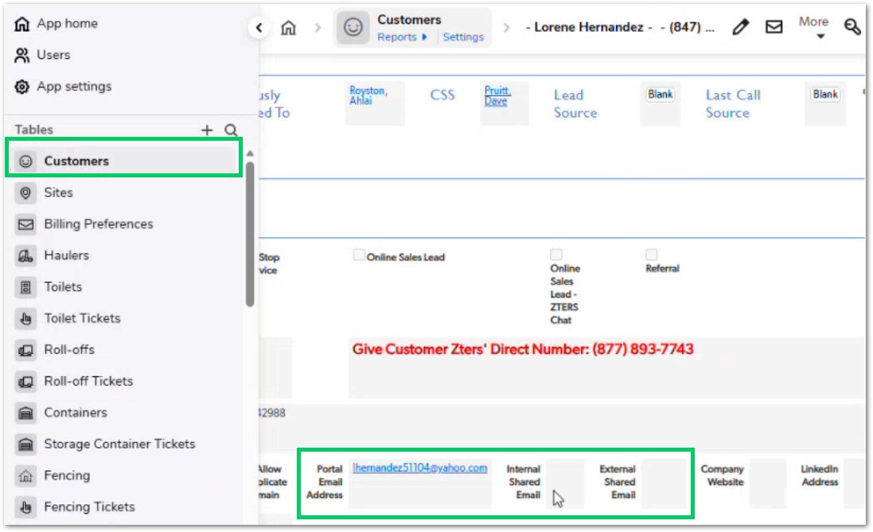 | Shared or portal-specific email fields should work as overrides or additional access fields when needed, not as blockers for normal portal access. If a customer provides a valid primary email, that email should remain usable unless a specific portal access rule overrides it. | TBD
CUBE-PH4-D2-044 | Customers | Workflow Validation | Core Flow | Customer Type | Nullify Company Name for Personal Customers | As an Account Manager (AM), I want the company name to be cleared when the customer type is personal, so that incorrect company names do not appear on invoices or related outputs. | When the customer type is personal, the company name field should be hidden and cleared. This prevents hidden or previously entered company name values from being used later in invoices, Hub processes, or other downstream outputs. | 1. System detects when customer type is personal, 2. System hides the company name field for personal customers, 3. System clears the company name value when customer type is personal, 4. System prevents hidden company name values from flowing to invoices or related outputs, 5. Business customer type can still use the company name field. | Day 2, Part 1 [2:24:10 – 2:25:09] | NO MOCKUP | Hiding the company name field is not enough because an old or incorrect value could remain stored in the background. The value should be cleared when the customer is personal to avoid bad data appearing later in billing or customer-facing outputs. | TBD
CUBE-PH4-D2-045 | Customers | Functional | Core Flow | Calls | Show Direct Number Reminder for Paid Lead Source Calls | As an Account Manager (AM), I want the system to identify when a customer called through a paid lead source and remind me to provide ZTERS’ direct number, so that repeat calls do not create unnecessary lead costs. | When the customer’s last call came through a paid lead source number, the customer record should show a reminder to provide ZTERS’ direct number. This helps prevent the customer from calling back through the paid tracking number and generating additional lead source charges. | 1. System captures the customer’s last call source, 2. System identifies whether the last call came from a paid lead source, 3. System displays a direct number reminder when the last call source is paid, 4. Reminder includes the ZTERS direct number, 5. Reminder is not shown when the last call source does not require it. | Day 2, Part 1 [2:25:09 – 2:26:26] | NO MOCKUP | This behavior helps reduce repeated paid lead source charges. The reminder should be visible enough for the AM to share the direct number with the customer during follow-up or future communication. | TBD
CUBE-PH4-D2-046 | Customers | Data Integrity | Core Flow | Call Tracking | Relate Answered Calls to Lead Sources | As an Account Manager (AM), I want answered phone calls to be related to lead sources based on the number the customer dialed, so that call reporting and paid lead tracking use the correct source. | Answered phone call records store call details such as the number the customer dialed, caller ID, answering agent, call status, and related customer information. The system should use the dialed number to associate the call with the correct lead source or advertising campaign for reporting and follow-up logic. | 1. System stores answered phone call records, 2. System captures the number the customer dialed, 3. System captures caller and answering agent information, 4. System relates the dialed number to the correct lead source or campaign, 5. Call source data can support reporting and related customer reminders. | Day 2, Part 1 [2:27:00 – 2:33:45] | 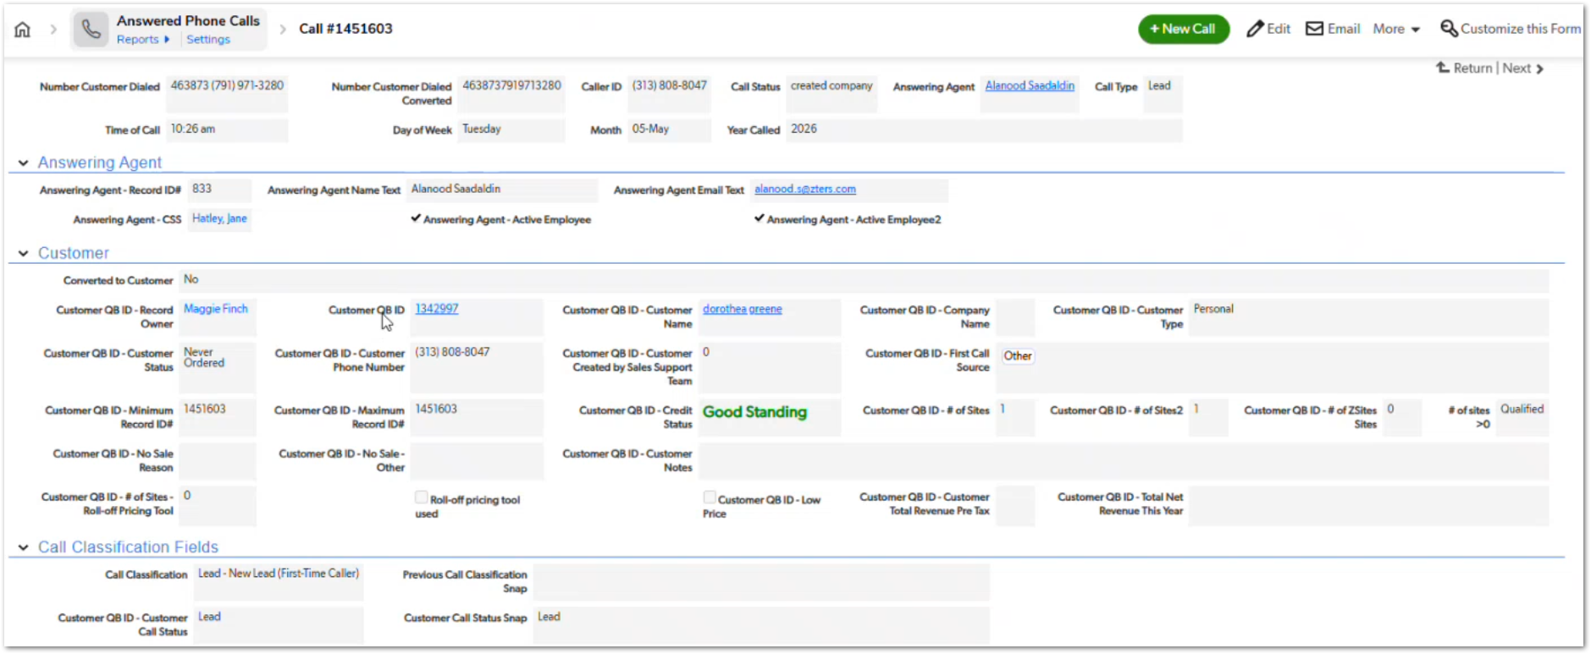 | This story provides the data foundation for paid lead tracking and the direct number reminder. The dialed number is the key value used to determine where the call came from and whether it should be associated with a paid lead source. | TBD
CUBE-PH4-D2-047 | Customers | Functional | Core Flow | Customer Flags | Capture Customer Risk and Special Handling Flags | As an Account Manager (AM), I want customer records to capture risk and special handling flags, so that customer follow-up, service decisions, and account handling follow the recorded customer conditions. | Customer records should include flags and fields used for special handling, such as DNU, stop service, Spanish-only speaker, perfect sale, and re-engagement coupon reason. These indicators help users understand customer restrictions, service actions, language needs, sales tracking, and re-engagement context. | 1. System supports a DNU flag, 2. System supports a stop service flag, 3. System supports a Spanish-only speaker flag, 4. System supports a perfect sale indicator, 5. System supports a re-engagement coupon reason field, 6. Customer handling logic can reference these flags when applicable. | Day 2, Part 1 [2:33:45 – 2:35:44] | NO MOCKUP | Keep this story focused on customer-level flags and handling indicators. DNU and stop service should be treated carefully because they affect whether the customer can be used or whether existing services should be stopped. Spanish-only speaker can support future routing or reassignment improvements, but this story should only capture the flag behavior unless routing is explicitly included elsewhere. | TBD
CUBE-PH4-D2-048 | Customers | Integration | Core Flow | HubSpot | Send CWS Inside Lead to HubSpot | As an Account Manager (AM), I want CWS inside lead information to be sent to HubSpot, so that CWS lead records can be created in HubSpot from customer data. | CWS inside lead information is sent to HubSpot through an API process. When the required CWS lead fields are completed and saved, the system should send the customer and lead details to HubSpot so the corresponding lead records can be created. | 1. User can complete the required CWS inside lead fields, 2. System triggers the HubSpot API process when the record is saved, 3. System sends the required customer and lead information to HubSpot, 4. HubSpot creates the corresponding lead records, 5. System stores or references returned HubSpot information when available. | Day 2, Part 1 [2:37:20 – 2:39:09] | NO MOCKUP | This story applies to CWS inside leads only. Keep it focused on sending the captured lead information to HubSpot, not on the later business-customer HubSpot process that runs after seven days. | TBD
CUBE-PH4-D2-049 | Customers | Integration | Core Flow | HubSpot | Send Business Customers to HubSpot After Seven Days | As an Account Manager (AM), I want business customers to be sent to HubSpot after seven days, so that AMs have time to review and clean up customer information before HubSpot creation. | Business customer records are sent to HubSpot through a scheduled process after a seven-day waiting period. This delay gives the assigned AM time to review and complete customer information before the system creates the related company and contact records in HubSpot. | System identifies business customer records, 2. Nightly process checks for business customers created seven days earlier, 3. System sends company data to HubSpot, 4. System sends contact data to HubSpot, 5. System writes HubSpot ID or URL information back to the customer record when available. | Day 2, Part 1 [2:54:32 – 3:00:46] | NO MOCKUP | This process is separate from the CWS inside lead flow. The seven-day delay gives AMs time to clean up or complete customer details before the business customer is pushed to HubSpot. | TBD
CUBE-PH4-D2-050 | Customers | Automation | Core Flow | Account Manager Tasks | Create Follow-Up Tasks for New Business Customers | As an Account Manager (AM), I want follow-up tasks to be created for new business customers, so that I can call, email, and research the customer before continued follow-up or HubSpot creation. | New business customers can trigger follow-up tasks for the assigned AM. These tasks support the AM’s next steps, including making an introduction call, sending an introduction or sell sheet email, and researching the customer on LinkedIn. | 1. System creates an introduction call task, 2. System creates an introduction email or sell sheet task, 3. System creates a LinkedIn research task, 4. Tasks are assigned to the Account Manager, 5. Tasks receive a due date based on the scheduled task creation process. | Day 2, Part 1 [2:55:06 – 2:58:37] | NO MOCKUP | These tasks support AM follow-up before the business customer is pushed to HubSpot. The tasks should be assigned to the AM responsible for the customer and should help ensure the customer is reviewed, contacted, and researched after creation. | TBD
CUBE-PH4-D2-051 | Service Sites | Functional | Core Flow | Site Management | Show Site-Level Past Due Warning and Approval | As an Account Manager (AM), I want service sites to show past due customer warnings and approval requirements when applicable, so that site-level service activity reflects the customer’s credit status. | Service sites should display past due warnings when the related customer has a past due condition. The site page should pull customer credit status information and indicate when approval is required before continuing site-level service activity. | 1. Site page displays a past due warning when applicable, 2. Site page pulls customer credit status information, 3. System identifies when approval is required, 4. User can see the warning before continuing site-level service activity, 5. Approval behavior aligns with the customer-level past due logic. | Day 2, Part 1 [3:00:46 – 3:01:24] | NO MOCKUP | This warning helps prevent users from continuing site-level activity without noticing the customer’s credit status. The site-level warning should stay aligned with customer-level credit and approval rules so the same risk condition is visible throughout the workflow. | TBD
CUBE-PH4-D2-052 | Service Sites | Functional | Core Flow | Site Location | Capture Hawaii Island for Service Sites | As an Account Manager (AM), I want the system to capture the island for Hawaii service sites, so that the correct service provider options can be identified for island-specific service availability. | Hawaii service sites need island information because service provider availability can vary by island. Some product lines may have only one or two usable providers for a specific island, so the system should capture the island to support accurate provider selection. | 1. System identifies Hawaii service sites, 2. System requires or captures island information for Hawaii sites, 3. Island value supports service provider selection, 4. System supports product-line-specific provider limitations by island, 5. User can distinguish Hawaii service availability beyond the state value. | Day 2, Part 1 [3:01:24 – 3:02:22] | NO MOCKUP | Hawaii should not be handled only as a single state value for provider selection. Island-level information is needed because availability can be limited and product-specific, especially when only one provider can service a product line on a given island. | TBD
CUBE-PH4-D2-053 | Service Sites | Workflow Validation | Core Flow | Site Location | Prevent Service in Uninsured New York City Areas | As an Account Manager (AM), I want the system to identify New York City service areas where ZTERS cannot do business, so that uninsured service locations are blocked before service is processed. | Some New York City areas cannot be serviced because ZTERS is not insured to operate there. The system should use zip code metadata to identify uninsured locations and alert the user before service activity continues. | System checks the service site zip code metadata, 2. System identifies uninsured New York City service areas, 3. System displays a cannot-do-business condition when the site is in an uninsured area, 4. User is alerted before proceeding with service, 5. System prevents service activity from continuing when the location is blocked due to insurance restrictions. | Day 2, Part 1 [3:02:22 – 3:03:02] | NO MOCKUP | This is a blocking location rule, not just an informational warning. The key condition is whether the zip code is marked as uninsured for the New York City area. | TBD
CUBE-PH4-D2-054 | Zip Codes | Data Integrity | Core Flow | Location Metadata | Use Zip Code Metadata for Franchise, Insurance, and Winterization Logic | As an Account Manager (AM), I want zip code metadata to feed site and product logic, so that uninsured areas, possible franchise markets, and winterization requirements can be identified. | Zip code records store location metadata used by site and product workflows. This metadata includes uninsured indicators, possible franchise market indicators, and cold month or temperature information used to determine winterization requirements. | Zip code record stores an uninsured indicator, 2. Zip code record stores a possible franchise indicator, 3. Zip code record stores cold month or temperature information, 4. Site records can use related zip code metadata, 5. Roll-off and toilet product logic can use applicable zip code metadata. | Day 2, Part 1 [3:03:02 – 3:05:44] | 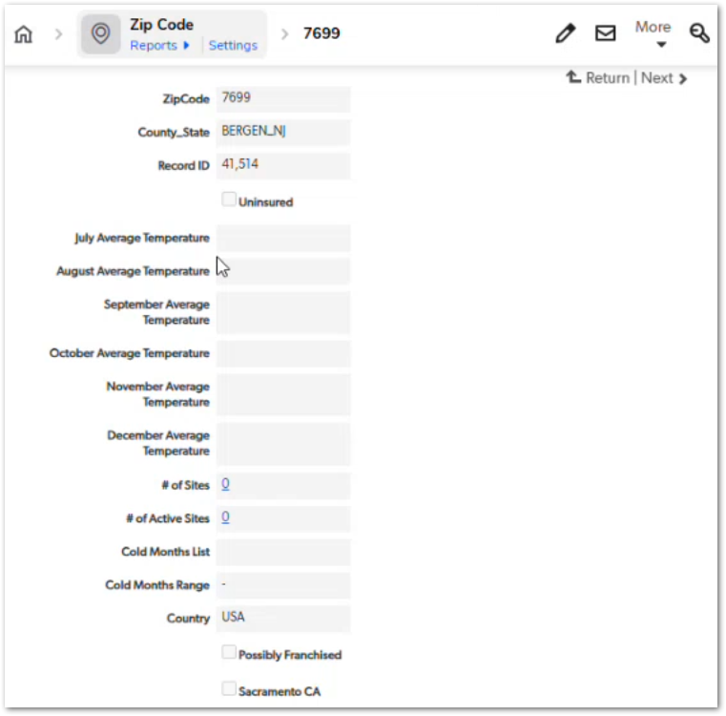 | Zip code metadata works as a shared source for multiple location-based rules. Uninsured indicators support service restrictions, possible franchise indicators support roll-off/service provider review, and cold month data supports winterization logic for applicable product lines. | TBD
CUBE-PH4-D2-055 | Service Sites | Functional | Core Flow | Notifications | Support Site-Level Order Summary Email Override | As an Account Manager (AM), I want order summary emails to support a site-level recipient override, so that site-specific contacts can receive order summaries instead of only the customer’s primary email. | Order summary emails can use the customer’s primary email by default, but some service sites may require a different recipient. The system should support a site-level override so order summaries can be sent to the correct onsite or site-specific contact. | 1. System uses the customer primary email as the default order summary recipient, 2. System supports a site-level recipient override, 3. User can enter or update the site-level order summary recipient, 4. Order summary emails are sent to the override recipient when one is provided, 5. If no override is provided, order summary emails use the default customer recipient. | Day 2, Part 1 [3:05:44 – 3:07:31] | NO MOCKUP | This is useful for customers with multiple sites where each site may have a different onsite contact. Current order summary emails are still sent from QuickBase and should eventually be moved to Hub, but the site-level override behavior should be preserved. | TBD
CUBE-PH4-D2-056 | Service Sites | Functional | Core Flow | Tax Handling | Capture Site-Level Tax Exemption | As an Account Manager (AM), I want tax exemption to be captured at the service site level, so that tax behavior reflects the state and location where the service is provided. | Tax exemption is tied to the service location because exemption rules depend on the state associated with the site address. The system should capture site-level tax exemption information and make it available to downstream product, line item, and billing processes. | 1. System captures tax exemption information at the service site level, 2. Tax exemption is associated with the service site address or state, 3. Site tax exemption information can flow to related product records, 4. Site tax exemption information can flow to related line items, 5. Billing can use the site tax exemption information when applicable. | Day 2, Part 1 [3:07:31 – 3:08:30] | NO MOCKUP | Tax exemption should be handled at the site level because the same customer may have service locations in different states. This story should stay focused on tax exemption data flow from site to product, line item, and billing logic. | TBD
CUBE-PH4-D2-057 | Zsight | Integration | Core Flow | External System Updates | Send Record Updates to Zsight | As an Account Manager (AM), I want relevant customer, site, hauler, front load, camera, and hauler quote updates to be sent to ZSight, so that ZSight receives the information it needs from the core flow records. | ZSight receives record updates through webhooks from different parts of the workflow, including customer, site, hauler, front load, camera, and hauler quote or maintenance-related records. These updates send the limited fields needed by ZSight when records are added or modified. | 1. System supports update triggers for customer records, 2. System supports update triggers for site records, 3. System supports update triggers for hauler records, 4. System supports update triggers for front load, camera, and hauler quote or maintenance records, 5. ZSight receives only the fields required for its update process. | Day 2, Part 2 [0:20 – 1:35] | 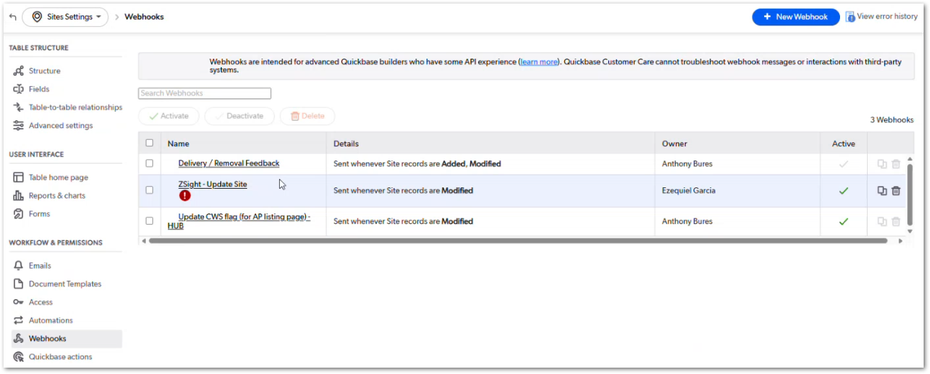 | Use ZSight consistently as the product name. The screenshot shows the site webhook configuration, including ZSight - Update Site and Update CWS flag (for API listing page) - HUB. During CUBE migration, these webhooks should be reviewed to confirm which updates still need to be sent to ZSight and which belong to HUB/API listing behavior. | TBD
CUBE-PH4-D2-058 | Products | Functional | Core Flow | Product Warnings | Display Product-Level Warnings and Status Indicators | As an Account Manager (AM), I want product records to display inherited warnings and status indicators, so that tax exemption, stop service, inactive AM, temporary reassignment, and hauler eligibility conditions are visible before continuing the workflow. | Product records should display warnings and status indicators inherited from related customer, site, employee, and hauler records. These indicators help users identify important conditions such as tax exemption, stop service, inactive AM assignment, temporary reassignment, and hauler eligibility before continuing product-level work. | 1. Product page displays tax exempt warning when applicable, 2. Product page displays stop service warning when applicable, 3. Product page identifies inactive account manager conditions, 4. Product page displays temporary reassignment warning when applicable, 5. Product page evaluates hauler eligibility before service ticket continuation | Day 2, Part 2 [2:22 – 5:24] | NO MOCKUP | Inactive AM assignment can affect billing in the current flow, so product-level visibility is important before users continue into service ticket or billing-related actions. This behavior should be reviewed in CUBE so inactive users can be handled correctly without relying on legacy workarounds. | TBD
CUBE-PH4-D2-059 | Products | Workflow Validation | Core Flow | Hauler Eligibility | Block Service Ticket Continuation for Ineligible Haulers | As an Account Manager (AM), I want the system to evaluate whether a selected hauler is authorized, verified, temporarily authorized, and not DNU, so that service tickets cannot continue with an ineligible hauler. | QuickBase currently allows selecting an ineligible hauler in some cases, but blocks progression when creating service tickets unless the hauler is eligible or temporarily authorized. | 1. System evaluates authorized status, 2. System evaluates verified status, 3. System evaluates temporary authorization status, 4. System evaluates DNU status, 5. System blocks service ticket creation or continuation when the selected hauler is not eligible | Day 2, Part 2 [5:24 – 6:59] | NO MOCKUP | Current QuickBase behavior intentionally allows selection first so users can later complete temporary authorization; CUBE may handle visibility/selection differently. | TBD
CUBE-PH4-D2-060 | Products | Functional | Core Flow | Ticket Availability | Determine Available Ticket Types by Product | As an Account Manager (AM), I want ticket creation availability to be determined by the selected product and its applicable statuses, so that only valid ticket buttons are available for the product workflow. | Ticket availability is controlled by product-specific fields, form rules, statuses, and product master logic that define which ticket types can be created. | 1. System determines ticket availability by product, 2. System uses product-specific guardrails, 3. System uses relevant ticket statuses, 4. System controls which ticket creation buttons are available, 5. System supports product-specific differences in ticket types | Day 2, Part 2 [7:00 – 9:38] | NO MOCKUP | The workshop calls out the current product master/ticket availability logic as complex and likely needing redesign. | TBD
CUBE-PH4-D2-061 | Products | Data Integrity | Core Flow | Pricing | Use Rate Records Instead of Recopying Pricing Fields | As an Account Manager (AM), I want product pricing to reference reusable rate records when possible, so that pricing snapshots can be preserved without repeatedly copying the same rate fields across products, service tickets, and line items. | Current pricing values are copied from pricing sources to products, service tickets, and line items for snapshot purposes, and suggests using rate records or rate cards to preserve history more efficiently. | 1. System supports reusable rate records or rate cards, 2. Product records can reference the applicable rate record, 3. Historical records preserve the rate used at that point in time, 4. Updated rates can be represented by new rate records instead of overwriting prior rates, 5. Products, service tickets, and line items avoid unnecessary repeated copies of the same rate data when a reference can preserve the snapshot | Day 2, Part 2 [18:53 – 23:15] | NO MOCKUP | This was discussed as a redesign recommendation for CUBE, especially for PSP rates, statistical model rates, custom rates, and pricing history. | TBD

